Example Student
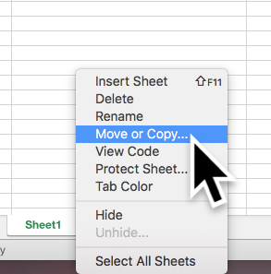
LOs | Learning Outcome Text | A+ Outstanding | A A- Excellent | B+ B B- V.Good-Good | C+ C C- Sound, competent | D+ D D- Adequate but weak | E+ E E- Unsatisfactory | F+ F Unsatisfactory | F- Unsatisfactory
 |  | 80-100 | 70-79 | 60-69 | 50-59 | 40-49 | 30-39 | 10-29 | 0-9
1 | Add LO 1 text here |  | 68 |  |  |  |  |  |  | 68 | /100
2 | Add LO 2 text here |  |  | 63 |  |  |  |  |  | 63 | /100
3 | Add LO 3 text here |  |  |  | 52 |  |  |  |  | 52 | /100
4 | Add LO 4 text here |  |  |  |  | 40 |  |  |  | 40 | /100
5 | Add LO 5 text here |  |  |  |  |  | 31 |  |  | 31 | /100
6 | Add LO 6 text here |  |  |  | 54 |  |  |  |  | 54 | /100
7 | Add LO 7 text here |  |  | 64 |  |  |  |  |  | 64 | /100
8 | Add LO 8 text here |  |  | 62 |  |  |  |  |  | 62 | /100
9 | Add LO 9 text here |  |  |  | 51 |  |  |  |  | 51 | /100

Copy the tab for each student. Right-click on the tab to get the option.
 |  |  |  |  |  |  |  |  |  | Total Score | 485
 |  |  |  |  |  |  |  |  |  | Total (% of 900) | 54

